Overall Survival
Overall Survival from 29-Month Landmark
Fixed-Duration vs Continuation Pembrolizumab — Kaplan-Meier Analysis

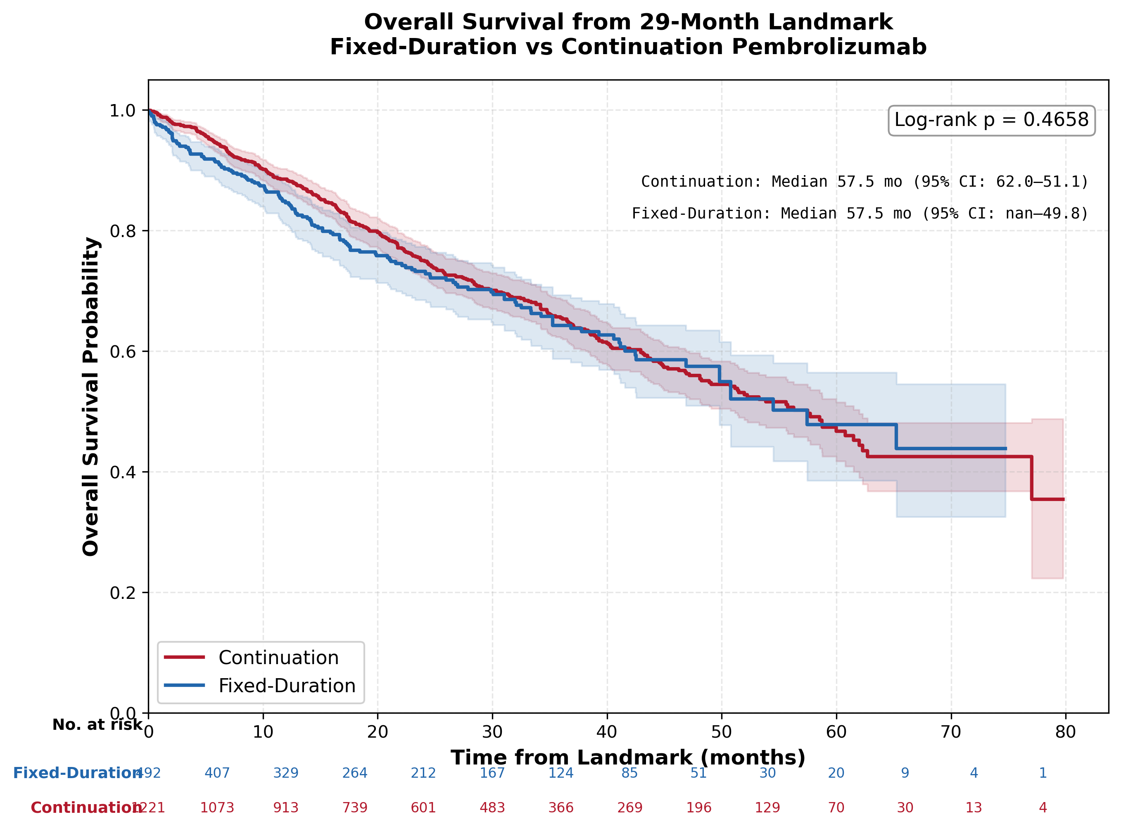

 | SURVIVAL SUMMARY
 | Metric | Continuation | Fixed-Duration
 | N | 1221 | 492
 | Events, n (%) | 390 (31.9%) | 147 (29.9%)
 | Censored, n (%) | 831 (68.1%) | 345 (70.1%)
 | Median follow-up, months | 33.3 | 28.5
 | Median OS, months (95% CI) | 57.5 (51.1-62.0) | 57.5 (49.8-inf)
 | OS at 6m, % (95% CI) | 94.4% (92.9–95.6) | 91.4% (88.5–93.6)
 | OS at 12m, % (95% CI) | 88.5% (86.5–90.2) | 84.6% (80.9–87.6)
 | OS at 18m, % (95% CI) | 81.3% (78.9–83.6) | 76.7% (72.3–80.5)
 | OS at 24m, % (95% CI) | 75.0% (72.2–77.6) | 73.2% (68.5–77.3)
 | OS at 30m, % (95% CI) | 70.1% (67.0–72.9) | 69.8% (64.8–74.3)
 | OS at 36m, % (95% CI) | 65.5% (62.2–68.6) | 64.3% (58.7–69.3)
 | Log-rank p-value: 0.4658

Subgroup Analysis
Treatment HR by Covariate Category
Cox treatment HR for Continuation vs Fixed-Duration within each category level. Age is grouped here for display; the primary adjusted model keeps age continuous.
 |  |  |  |  |  |  |  | Interpretation: HR <1 favours Continuation; HR >1 favours Fixed-Duration.
Variable | Level | N | Events | HR | 95% CI Lower | 95% CI Upper | p-value
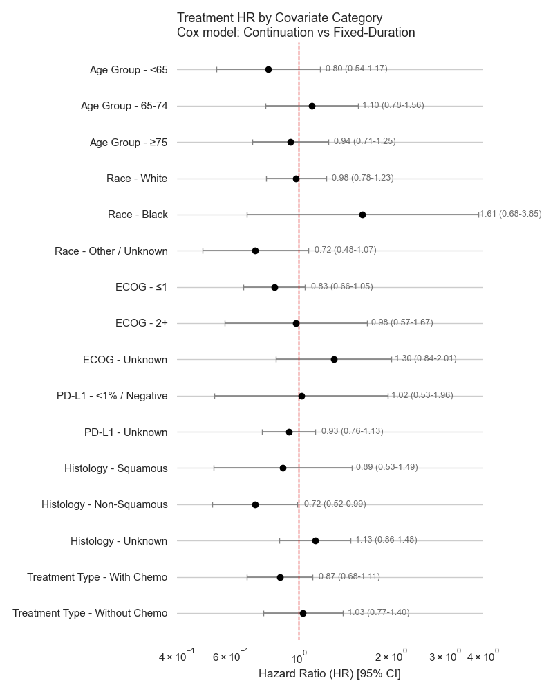
Age Group | <65 | 491 | 119 | 0.795 | 0.538 | 1.173 | 0.247
Age Group | 65-74 | 629 | 193 | 1.103 | 0.78 | 1.559 | 0.579
Age Group | ≥75 | 591 | 223 | 0.941 | 0.707 | 1.252 | 0.676
Race | White | 1118 | 372 | 0.98 | 0.781 | 1.23 | 0.862
Race | Black | 156 | 41 | 1.615 | 0.677 | 3.852 | 0.28
Race | Other / Unknown | 419 | 118 | 0.722 | 0.485 | 1.073 | 0.107
ECOG | ≤1 | 1194 | 344 | 0.831 | 0.659 | 1.048 | 0.118
ECOG | 2+ | 201 | 73 | 0.978 | 0.572 | 1.673 | 0.935
ECOG | Unknown | 316 | 118 | 1.299 | 0.84 | 2.008 | 0.24
PD-L1 | <1% / Negative | 135 | 49 | 1.019 | 0.531 | 1.956 | 0.955
PD-L1 | Unknown | 1576 | 486 | 0.928 | 0.76 | 1.133 | 0.462
Histology | Squamous | 164 | 65 | 0.886 | 0.527 | 1.491 | 0.649
Histology | Non-Squamous | 541 | 183 | 0.719 | 0.522 | 0.99 | 0.043
Histology | Unknown | 1006 | 287 | 1.13 | 0.865 | 1.477 | 0.369
Treatment Type | With Chemo | 1068 | 308 | 0.868 | 0.678 | 1.111 | 0.261
Treatment Type | Without Chemo | 643 | 227 | 1.033 | 0.765 | 1.396 | 0.831

Cox models comparing Continuation vs Fixed‑Duration within each subgroup category (each variable assessed separately). Result Interpretation: No significant survival difference across most subgroups; a modest benefit appears only in non‑squamous histology (HR = 0.72, p = 0.043).

